Sheet1
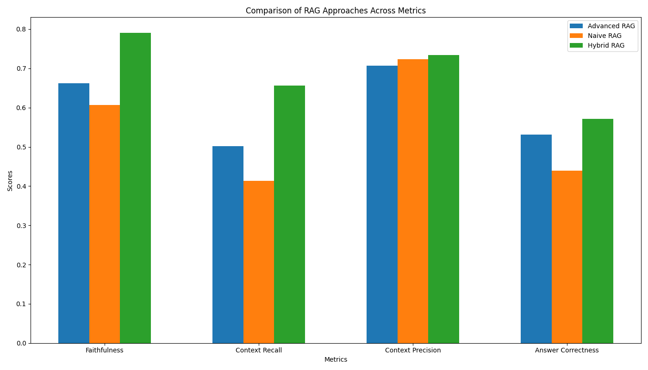
Metric | Advanced RAG | Naive RAG | Hybrid RAG (Our Approach)
Faithfulness | 0.6621 | 0.6064 | 0.7907
Context Recall | 0.5021 | 0.4128 | 0.6565
Context Precision | 0.7066 | 0.7228 | 0.7344
Answer Correctness | 0.5316 | 0.4391 | 0.5718

